Sheet1
in the PFAC_BackEnd module
I've updated the input and output of the CreateOrUpdateWC server action, I didn’t change the logic flow
from | wc => wc2222
 | Success => Success222

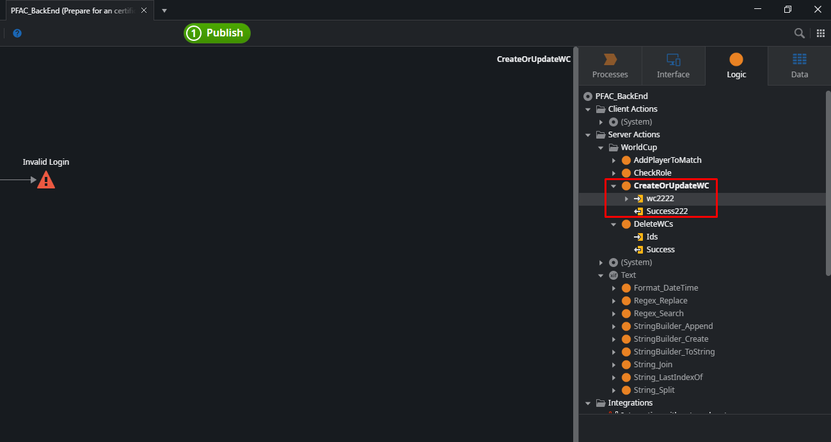

in the PFAC_FrontEnd, I don’t refresh dependencies of this module
I just changed a small part of the logic flow and then published

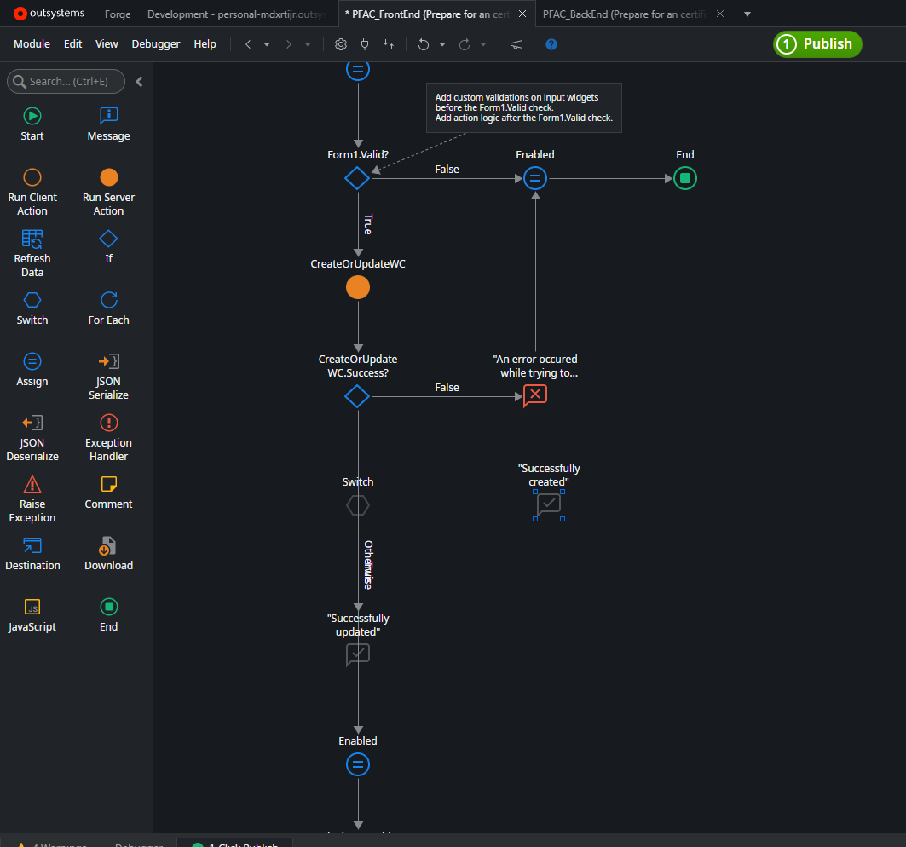

the logic flow of the PFAC_BackEnd remains the same as in the previous version
The input and output havent been changed
When I execute the ClickOrUpdateWC event, no error occurs.
the logic flow continues to function as it did before the publish

if I change the output parameter of the CreateOrUpdateWc in the PFAC_BackEnd module from Success to abc
there is no error

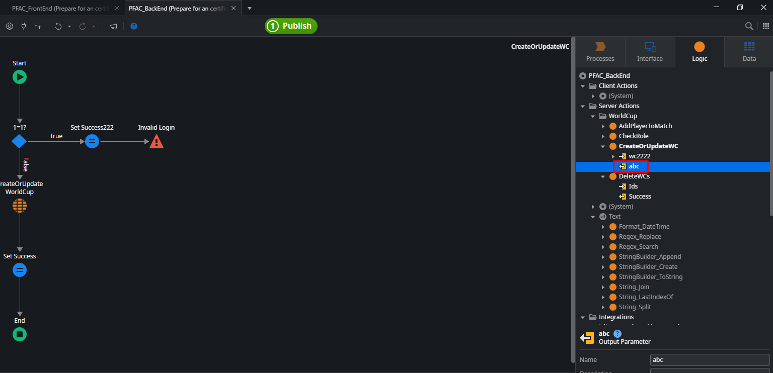

it does not require to refresh dependencies of the PFAC_FrontEnd module before publishing it

Sheet2
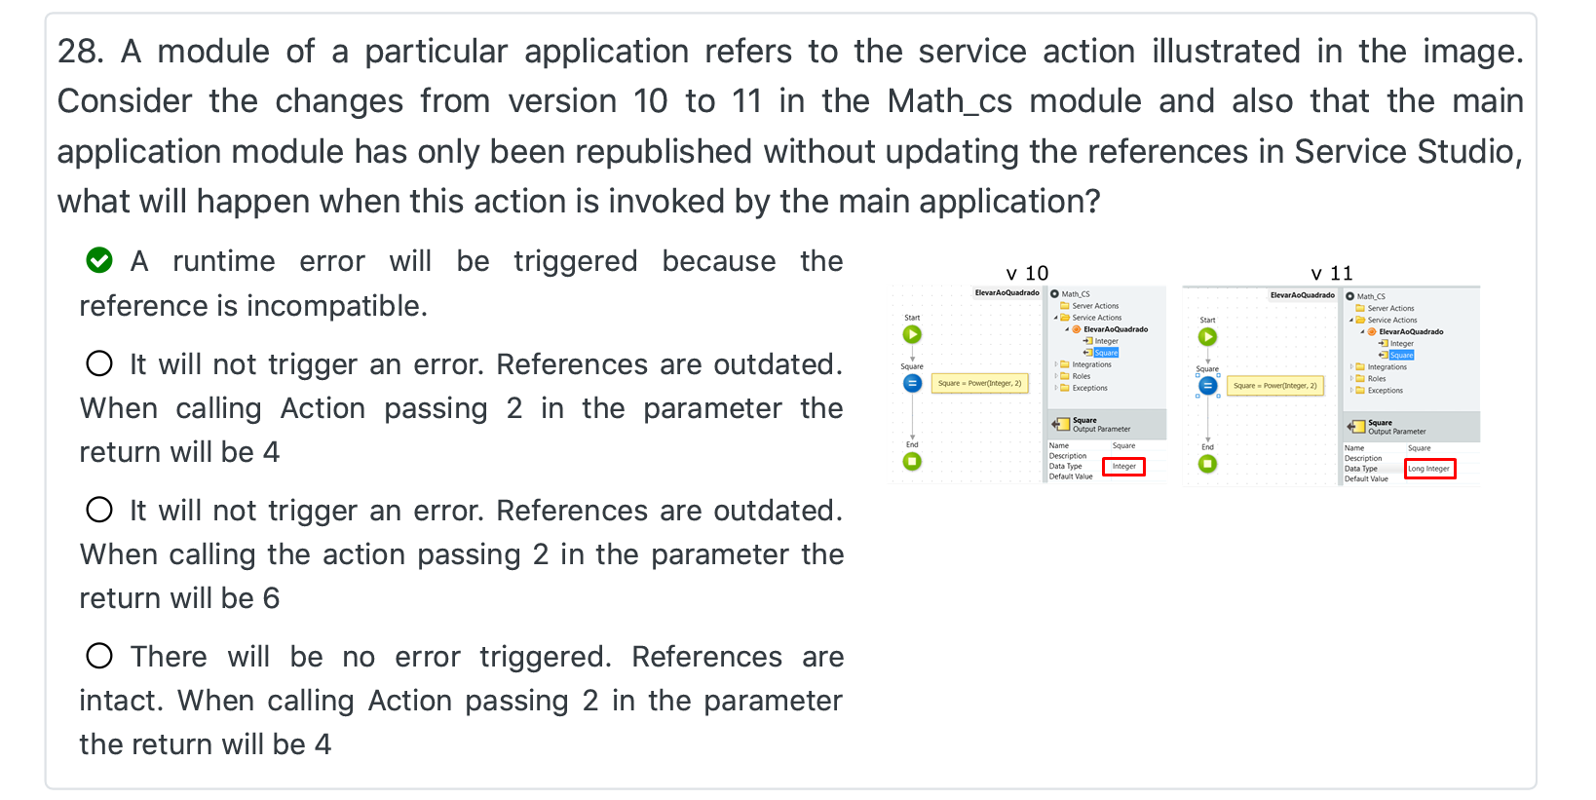
if I change the logic flow of the CreateOrUpdateWc in the PFAC_BackEnd module
but I don’t refresh dependencies of the PFAC_FrontEnd module
I publish the PFAC_FrontEnd module without refreshing its dependencies
there is no error
and when I execute the SaveOnClick event on the screen
the CreateOrUpdateWc server action is called, and its logic flow is already updated
the new logic flow is executed

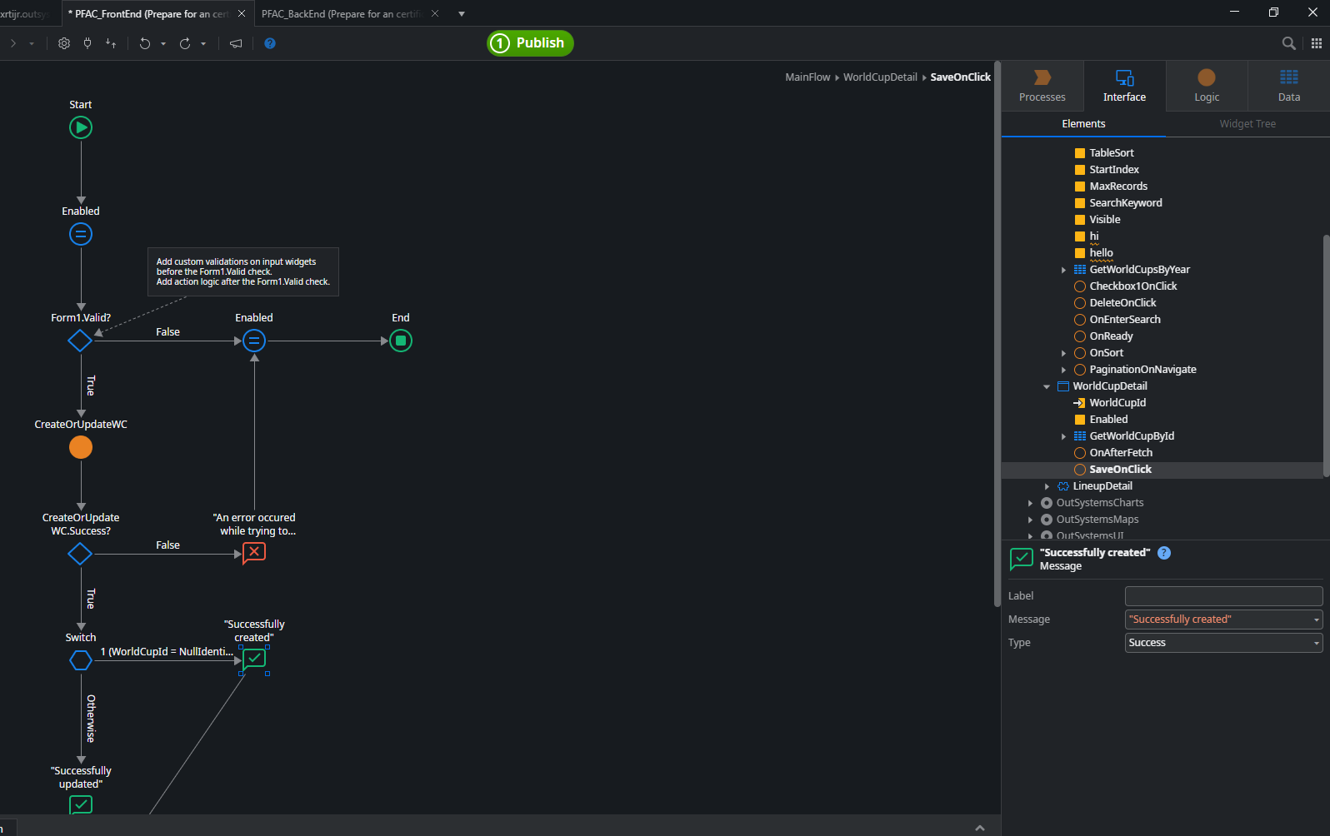

another example

